Start Here Dashboard
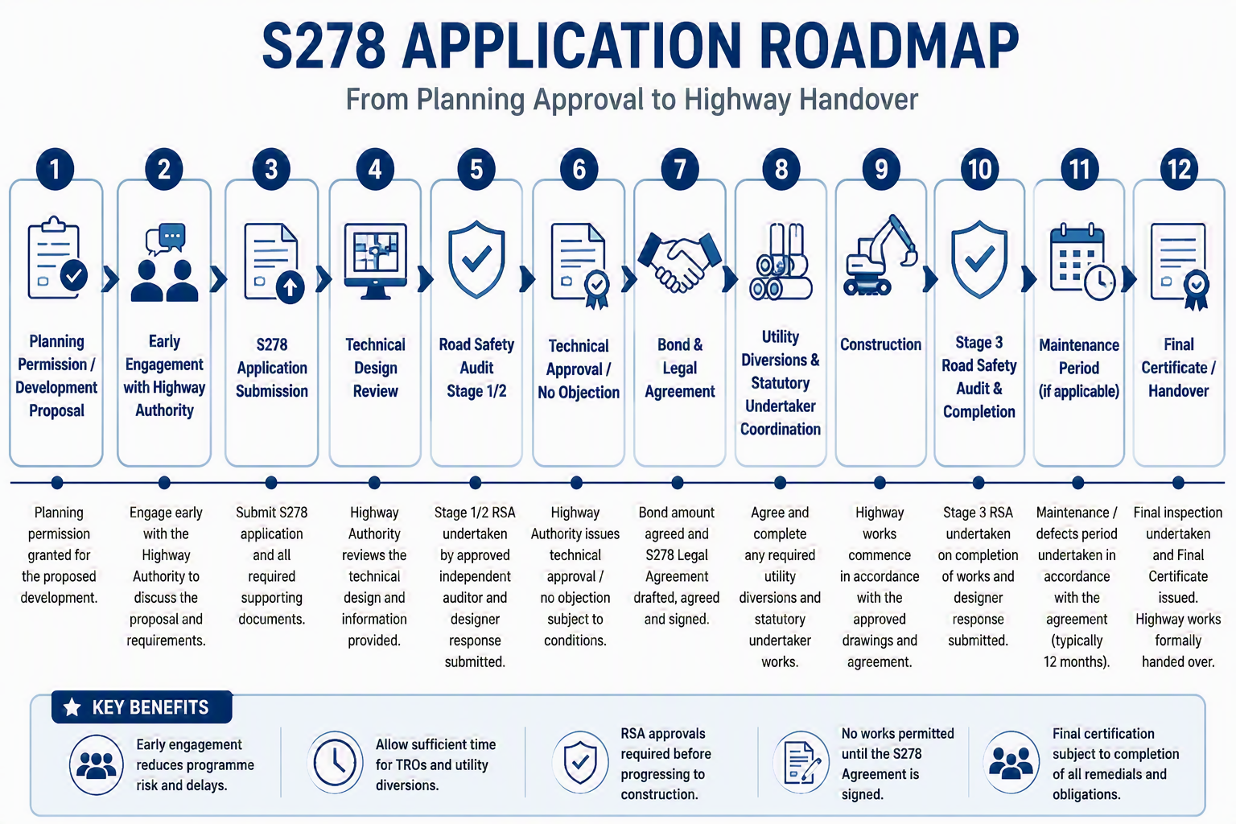
S278 Application Dashboard

Project Information |  | Project Contact
Site Name |  | Developer
Planning ref |  | Highway Consultant
Target Start Date |  | NYC Officer

Submission
 | Count
Approved | 0
Under Review | 0
Outstanding | 0
Not Applicable | 0
Submission Progress Dashboard
Status | Count
Approved | 0
Under Review | 0
Outstanding | 0
Not Applicable | 0

Completion % | 0.00%

Pre Construction
 | Count
Approved | 0
Under Review | 0
Outstanding | 0
Not Applicable | 0
Pre Construction Progress Dashboard
Status | Count
Approved | 0
Under Review | 0
Outstanding | 0
Not Applicable | 0

Completion % | 0.00%

Post Construction
 | Count
Approved | 0
Under Review | 0
Outstanding | 0
Not Applicable | 0
Streetworks Progress Dashboard
Status | Count
Approved | 0
Under Review | 0
Outstanding | 0
Not Applicable | 0

Completion % | 0.00%

Post Construction
 | Count
Approved | 0
Under Review | 0
Outstanding | 0
Not Applicable | 0
Post Construction Progress Dashboard
Status | Count
Approved | 0
Under Review | 0
Outstanding | 0
Not Applicable | 0

Completion % | 0.00%

